Sheet1
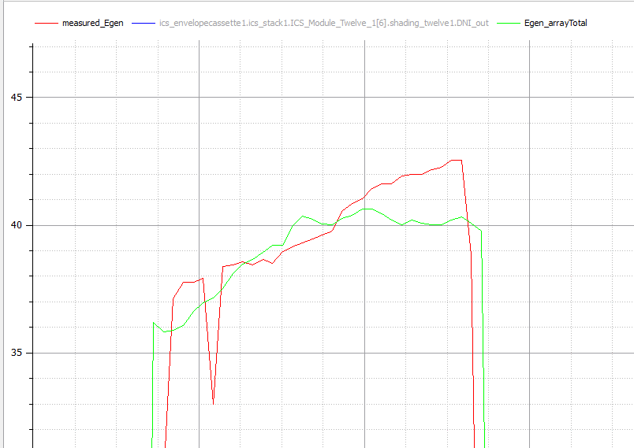
2015-05-03
Truing Up Parameter on Modelcia In studio
Expeimernt File |  | 3.23.15

First Parameter to Change

Step 1. | True up electrical genertaion to get an approximation of eta_optical
Step 2. | Start at module s3m6. Look at temperature increase over cell

STEP 1. Optical Efficiency Start 66%, Final 58% Based on Electrical generation over entire array (6 modules)
Experimental errors could be; egen was not at MPP at all time of the collecton periond. Modeling error; shading matrix is approx, leading to a largeing shading factor at the end of the collection period
1. parameter Real OpticalEfficiency = 0.66;
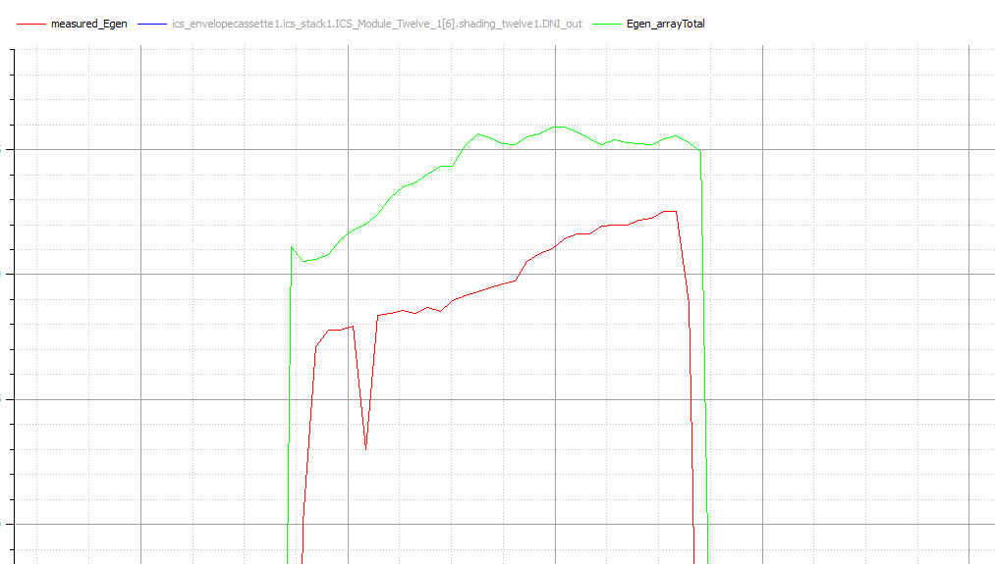

2. parameter Real OpticalEfficiency = 0.6
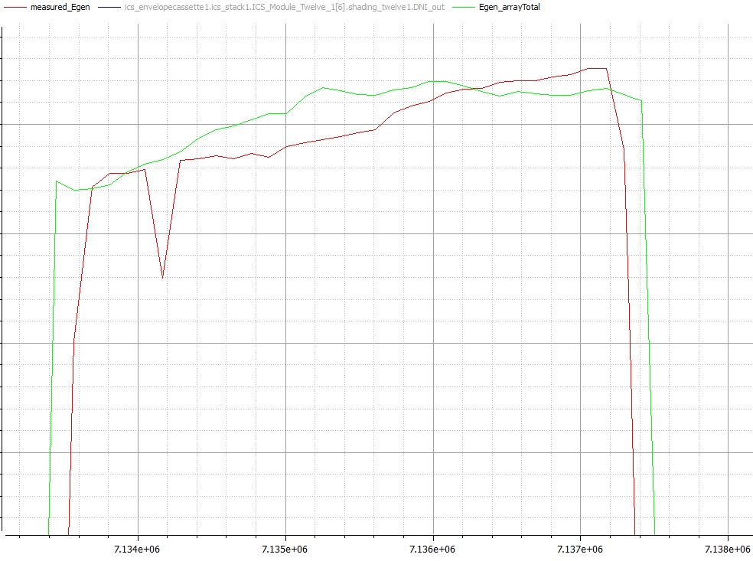

3. parameter Real OpticalEfficiency = 0.59
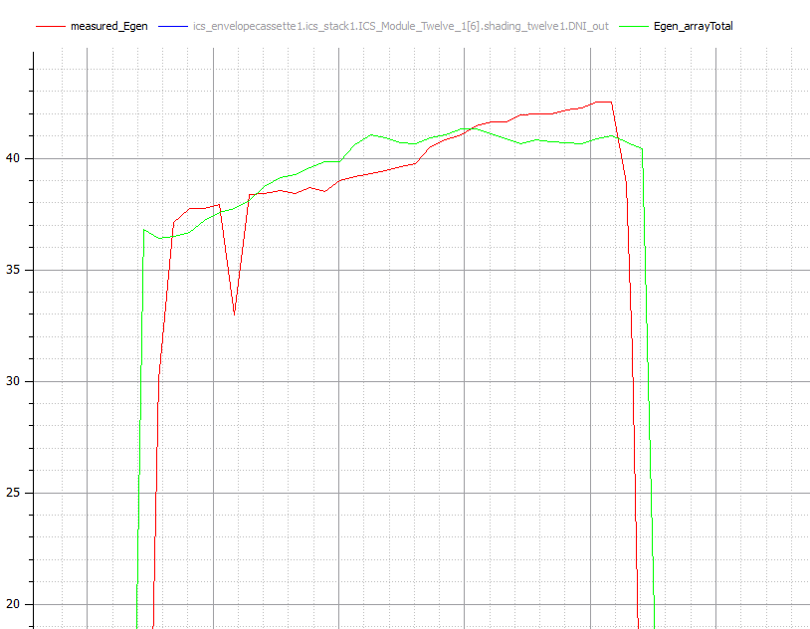

4. Paremter Real Optical Effcicemncy = 0.58 SEEM TOO LOW

